零件检验项目清单
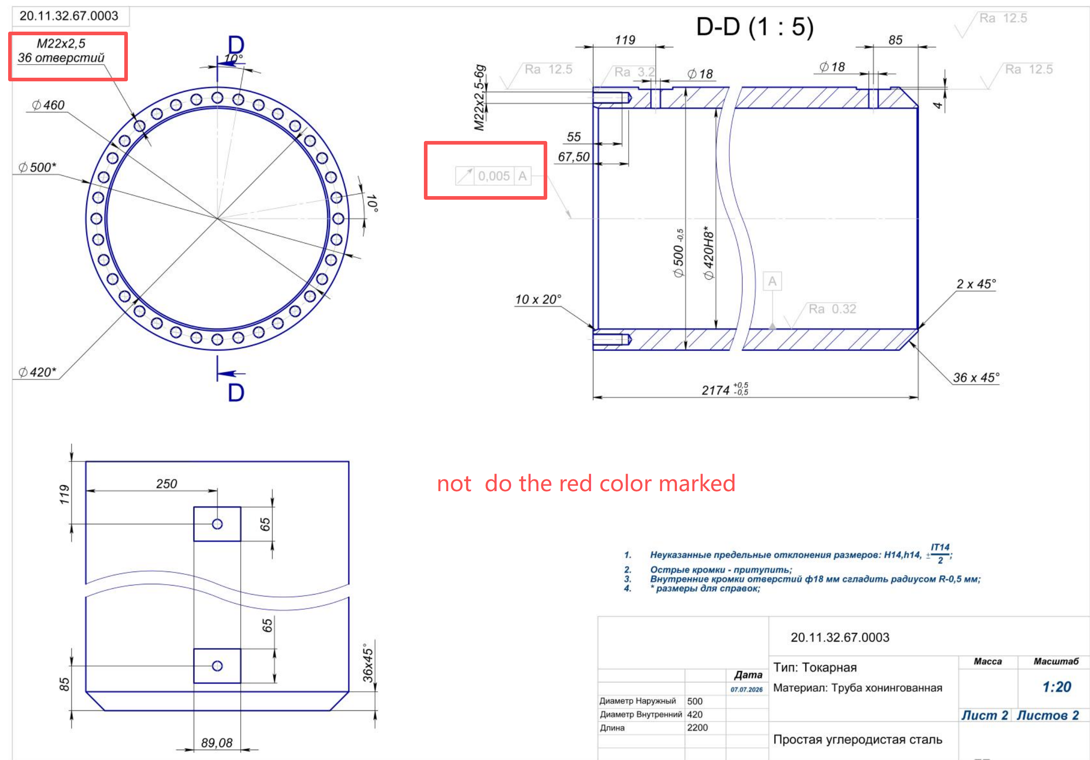
Inspection item list for part 20.11.32.67.0003 |  | 2174 CYLINDER INSPECTION LIST
Inspection classification | Serial number | inspection items | Drawing annotation values/requirements | Recommended measuring tools/inspection tools | Criteria for determination | Number 1 | No. 2 | Number 3 | Number 4
1. Geometric tolerance | 1 | Cylindricity | 0.005A | Can not check | No longer process with this precision. Process according to the pipe material
II. Dimensional Tolerance | 2 | inner diameter | φ420H8* (reference dimension) | Internal micrometer | Measured: 420.000~420.097 mm (Note: Dimensions marked with an asterisk (*) are for reference)
 | 3 | outer diameter | φ500 -0.5 | outside micrometer | Measured value: 499.5~500.0 mm
 | 5 | total length | 2174 | steel ruler | Measured value: 2174 mm
 | 6 | The width of the left step | 119 mm | Vernier caliper | Measure from the left edge of the drawing to the right
 | 7 | The right end step is wide | 85 mm | Vernier caliper | Measure from the right edge of the drawing to the left
 | 8 | End face spacing aligned along the centerline of 18 holes | 250 mm | Vernier caliper | Conform to the indications on the drawing
 | 8 | Groove positioning (upper) | 65 mm | Vernier caliper | Measure the distance from the groove to the upper edge (or reference line)
 | 8 | Groove positioning (lower) | 65 mm | Vernier caliper | Measure the distance from the groove to the lower edge (or reference line)
 | 9 | Groove length | 89.08 mm | Vernier caliper | Horizontal dimension of the starting position of the bottom bevel angle
 | 9 | Chamfering of the inner edge of φ18 hole | R0.5 round corner, smooth | Visual inspection + vernier caliper | The inner edge of the hole is smooth and free of burrs
 | 10 | Large chamfer | 36×45° | Angle gauge / vernier caliper | Both length and angle need to be measured
 | 11 | small chamfer | 2×45° | Angle gauge / vernier caliper | Both length and angle need to be measured
 | 12 | Inner diameter bevel angle | 10×20° | Angle gauge / vernier caliper | Both length and angle need to be measured
 | 15 | Diameter of small hole | φ18 | Vernier caliper | Confirm the size of the aperture
 | 16 | Hole positioning distance | 55 mm / 67.50 mm | Vernier caliper | Confirm the distance between hole positions
 | 17 | Other sizes | 4 mm | Vernier caliper | Conform to the indications on the drawing
III. Surface roughness | 18 | Inner diameter finish | Ra 0.32 | roughness meter | The finished surface should be smooth and free of tool marks
 | 19 | Step surface | Ra 3.2 | Roughness tester / comparison sample | General finish machining surface
 | 20 | Other unspecified external surfaces | Ra 12.5 | Roughness tester / Visual inspection | General finish machining surface
IV. Structure and Appearance | 21 | Grooves and details | Shape and edge | Visual inspection + hand touch | The edges and corners of the groove should be free of burrs and sharp edges; confirm that the shape of the groove conforms to the design
 | 22 | Undeclared dimensional tolerance | H14 / h14 / IT14 / -2/0 | According to the corresponding measuring tool | Meets the national standard without specifying tolerance requirements
 | 23 | Sharp edge treatment | Deburring / Passivation | Visual inspection + hand touch | All sharp edges need to be passivated
 | Note: | 36xM22 is no longer processed

